Spec Sheet
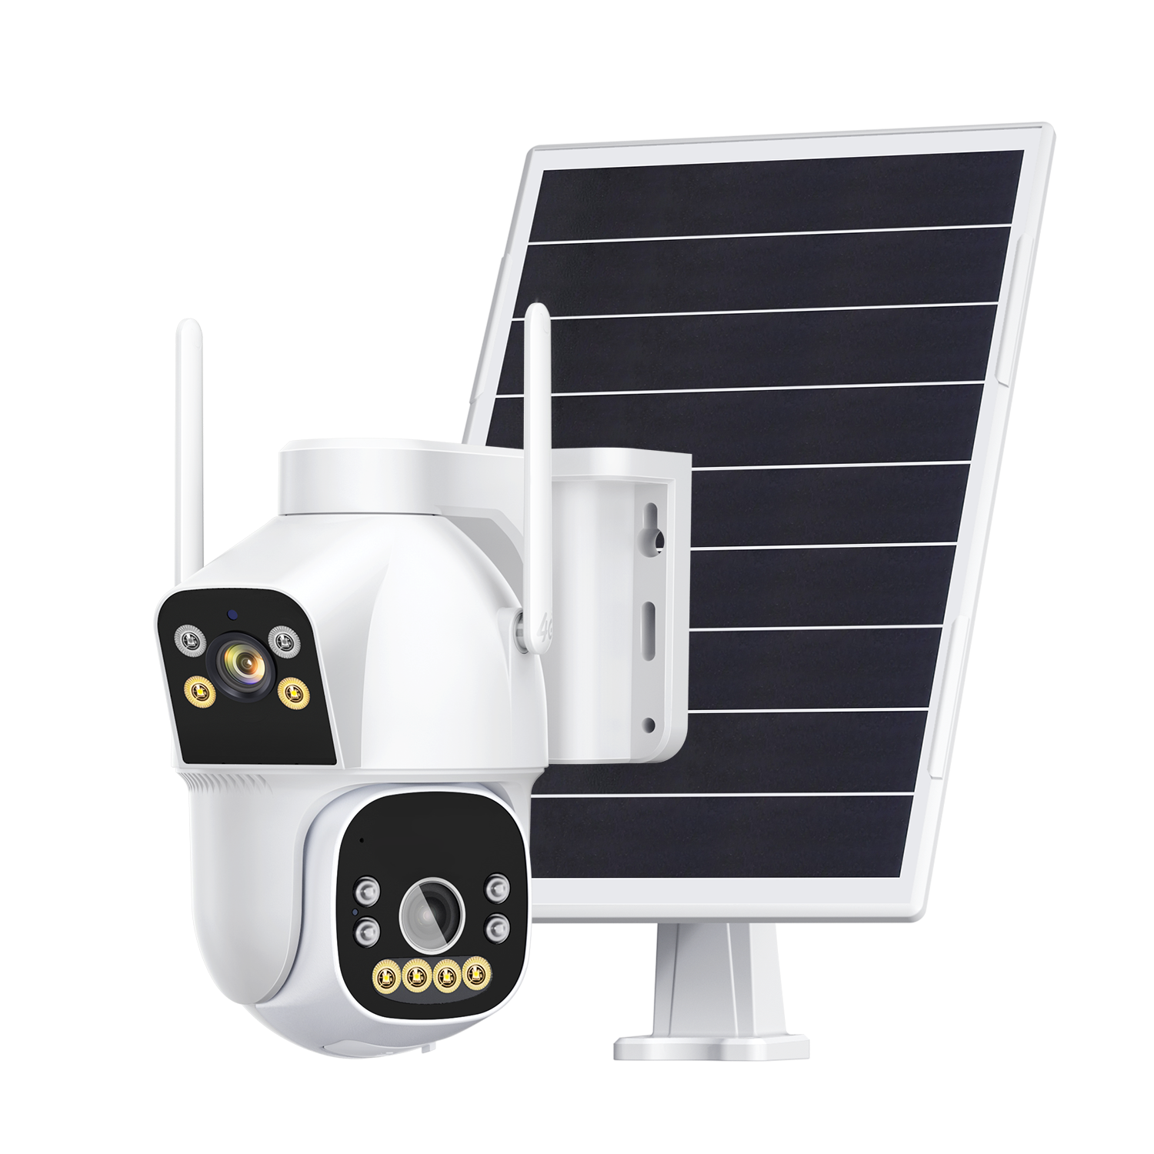 1. No Power Connection Required: 8W Solar Panel 2. No Wiring Required: 4G Transmission 3. Remote Viewing: View remotely by scanning a QR code with your mobile phone 4. Recording Mode: 24-hour recording mode 5. Privacy Protection: Local storage, no data leakage 6. Image Quality: Dual-light design, multiple working modes available 7. Supports vertical, horizontal, and vertical rotation; supports human tracking 8. Camera-PTZ Linkage: One camera views a fixed position, the other views the entire area, providing comprehensive monitoring 9. Standard package includes battery with a total capacity of 16000mAh

Specification Sheet
Model NO. | WIP-CP300CT
APP | Camhi pro
Sensing Principle | Human Detection
Working Principle | When no one is in view, the device captures a single frame per second. When a human appears, the frame rate drops to 15 frames per second.
Main Chip | HI3516V610
Sensor | 2pcs 1/2.9" CMOS Sensor
4G Module: | EU: LTE-FDD B1/B3/B5/B7/B8/B20/B28
 | US: LTE-FDD B2/B4/B5/B12/B13/B14/B66/B71
Network Protocol | P2P
Adjustable Angle | Bullet camera: 180° horizontal adjustment; Dome camera: 320° horizontal rotation, 90° vertical rotation.
Resolution | Bullet camera: 2304*1296/3MP, dome camera: 2304*1296/3MP
Focal Length | 4mm@F1.6
Shooting Angle | Bullet camera: 83°, dome camera: 83° (rotatable)
Battery Capacity | 16000mAh
Solar Panel Power | 8W
Maximum Charging Current | 2000mA
Night Shooting | Two modes are available: infrared night vision and intelligent night vision.
White Light Power | ≤2.4W
Infrared Power | ≤2.4W
Sensing Distance | 0-30m
Operating Temperature | -15°C to 60°C
Operating Humidity | 0%-90%RH
Standby Power Consumption | Approximately 0.18W
Operating Power Consumption | ≤1.4W during the day, ≤3.5W at night
Waterproof Rating | IP66
Packaging Size | 261*212*172MM
Packaging Weight | 2.2kg (including 8pcs 18650 batteries)
Carton Size | 538*439*364MM
Carton Weight | 19.5KG
Quatity Per Carton | 8pcs/Carton

